Q.Dashboard
 |  | Pivot Charts
Monthly Sales For Taxas
Row Labels | Sum of Sales
Apr-09 | 17092.25
Apr-10 | 27782.9005
Apr-11 | 21536.6445
Apr-12 | 17033.203
Aug-09 | 25136.7355
Aug-10 | 23271.7575
Aug-11 | 29346.8765
Aug-12 | 53898.3535
Dec-09 | 28732.2825
Dec-10 | 13965.339
Dec-11 | 19237.9555
Dec-12 | 62066.9815
Feb-09 | 51154.8695
Feb-10 | 21133.2095
Feb-11 | 20248.211
Feb-12 | 41718.653
Jan-09 | 27218.28
Jan-10 | 48396.482
Jan-11 | 14264.79
Jan-12 | 37642.2155
Jul-09 | 60239.556
Jul-10 | 40561.2145
Jul-11 | 69487.5015
Jul-12 | 33185.9
Jun-09 | 14267.577
Jun-10 | 18753.4805
Jun-11 | 13673.8275
Jun-12 | 30544.0315
Mar-09 | 6271.114
Mar-10 | 5800.9905
Mar-11 | 27947.714
Mar-12 | 17523.496
May-09 | 41353.1925
May-10 | 45833.2025
May-11 | 29047.073
May-12 | 84892.9385
Nov-09 | 38452.121
Nov-10 | 33540.7515
Nov-11 | 42364.9755
Nov-12 | 20644.415
Oct-09 | 31368.735
Oct-10 | 22592.427
Oct-11 | 25938.531
Oct-12 | 33028.197
Sep-09 | 17009.068
Sep-10 | 38860.2205
Sep-11 | 49888.896
Sep-12 | 26374.2795
Grand Total | 1520323.4165

Dashboard
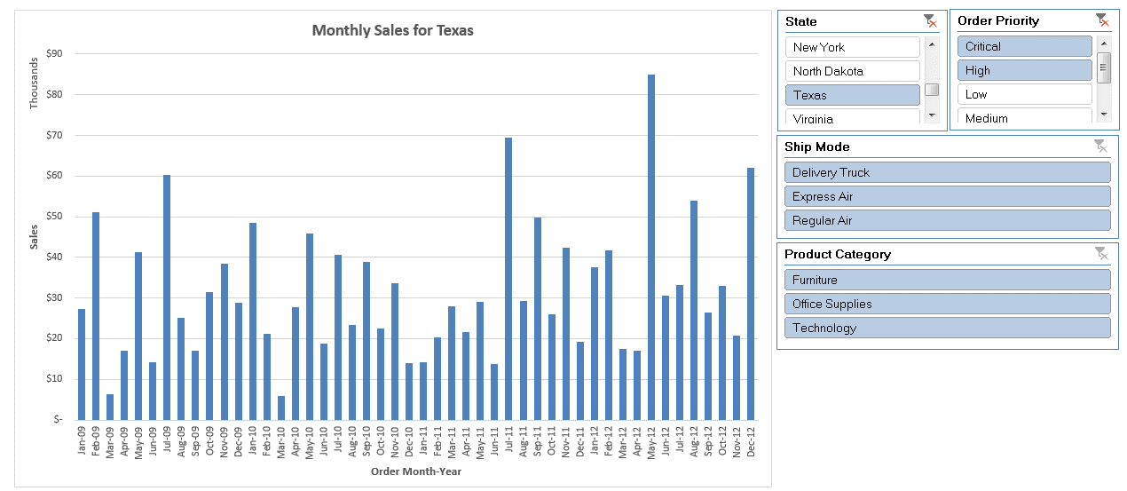
Pivot Charts

Lets create a simple dashboard using pivot charts!!
1. Create a pivot table with 'Order Month-Year' (create this column in the dataset) in the row, state in the filter section and sales in values evaluated
2. Create a pivot chart to represent the the variation in sales across time with the ability to change state filter
3. Create slicers with options to filter State, Product Category, Order Priority and Ship Mode
4. Format the chart title to show: Monthly Sales for <State Selected from Slicer>
 | Monthly Sales for

